NbaPredictWithResult
Wins Predicted1 | Wins Actual | Wins Predicted2 | Predicted1 Model | Predicted2 Model
63.44 | 60 | 63.93 | Field Goals Made | Field Goals Made
51.19 | 58 | 50.84 | Offesive Rebounds | Offesive Rebounds
60.67 | 57 | 60.03 | Defensive Rebounds | Defensive Rebounds
53.73 | 54 | 54.52 | Free Throws Made | Free Throws Made
49.09 | 53 | 48.87 | 3 Point Field goals made | 3 Point field goals made
50.37 | 53 | 50.47 | Steals | Steals
48.39 | 51 | 48.16 | Turnovers | Turnovers
50.90 | 50 | 51.00 | Field Goals Attempted | Field Goals Attempted
52.03 | 49 | 51.88 |  | 3 point Field goals attempted
48.48 | 49 | 48.25
43.60 | 48 | 43.35 | Predict 1 kuva
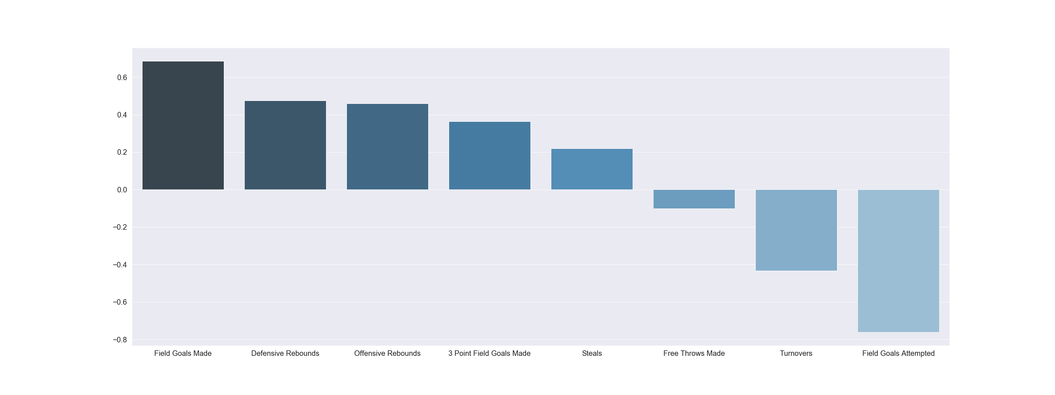
36.67 | 48 | 35.16
47.88 | 48 | 47.45
35.86 | 42 | 35.66
41.33 | 42 | 41.85
37.18 | 41 | 37.53
37.86 | 39 | 37.84
43.14 | 39 | 43.80
43.27 | 39 | 42.31
36.27 | 37 | 37.24
38.00 | 36 | 37.64
37.87 | 33 | 38.49
30.13 | 33 | 30.42
42.11 | 33 | 42.51
32.92 | 32 | 33.18
28.80 | 29 | 28.28 | Predicted2
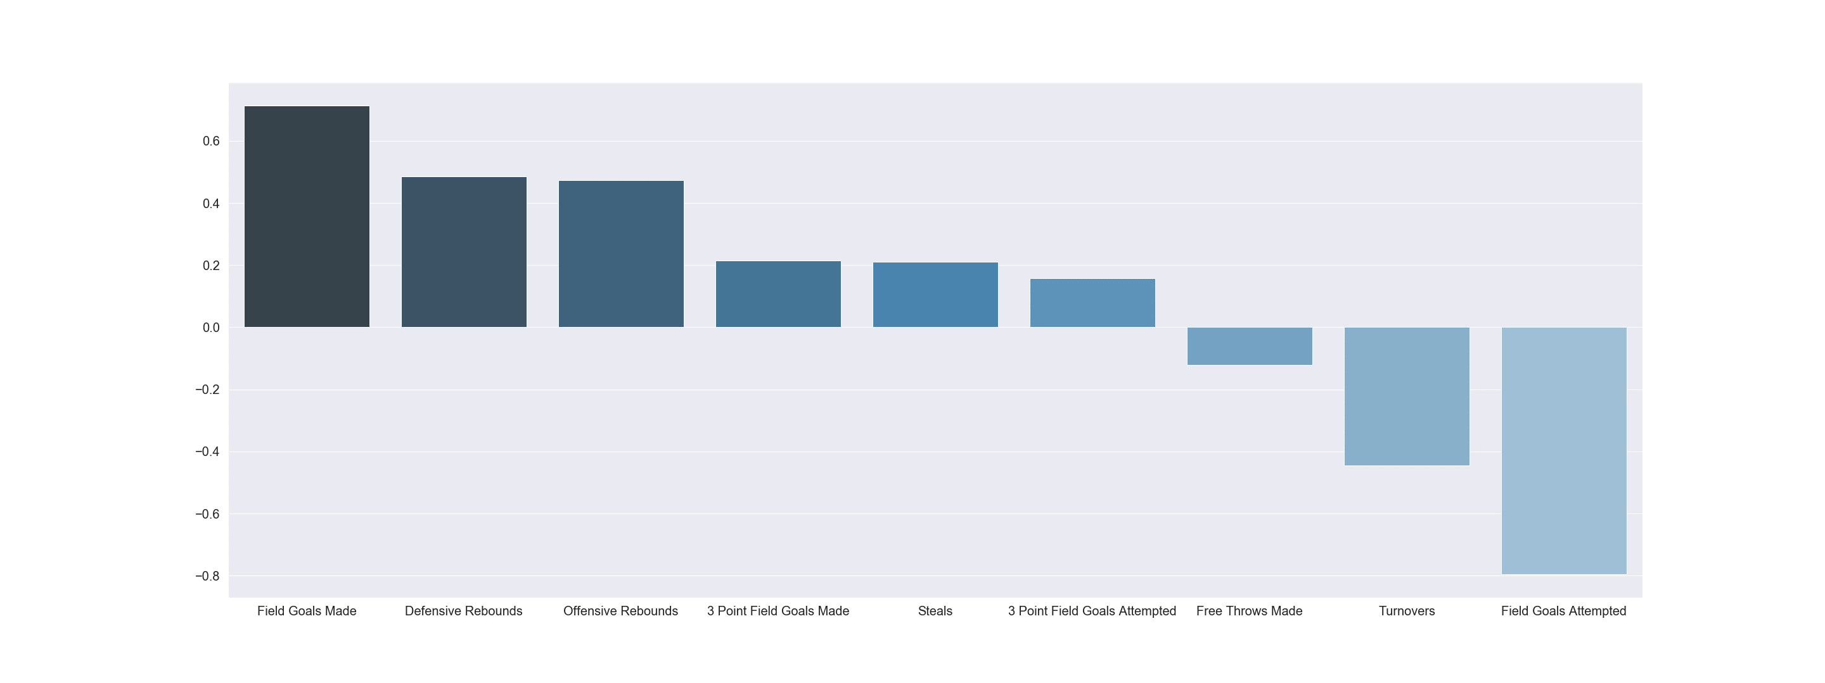
22.51 | 22 | 22.47
26.74 | 19 | 26.87
16.63 | 19 | 16.92
22.92 | 17 | 23.09
MSE =0.137 |  | MSE = 0.150
R2s = 0.863 |  | R2s = 0.850

